ENC Cable
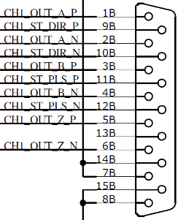
Since the pin assignments of encoder connector and AFE input connecter are different, an adapter/swap cable should be used to match the signals.

 | Encoder | Wire Color | AFE-IN | AFE-OUT | Turbo PMAC
A+ | 9 | WHITE | 14 | 1 | 1
A- | 1 | YELLOW | 6 | 2 | 2
B+ | 10 | BROWN | 13 | 3 | 3
B- | 2 | BLUE | 5 | 4 | 4
Z+ | 3 | ORANGE | 12 | 5 | 5
Z- | 11 | GREEN | 4 | 6 | 6
GND | 12 | BLACK | 2
GND Sense | 13 |  | 9
VCC | 4 | RED
VCC Sense | 12

